INFO
 | Speed [m/s]
- | 0.00
0.060 | 0.29
0.120 | 0.29
0.180 | 0.00
0.330 | 0.00
0.390 | -0.29
 | Force [N] |  | Required continous force [N]
0.00 | 0.000 | 0.00 | 1.23
0.00 | 2.566 | 0.66 | 1.23
0.06 | 2.566
0.06 | 0.748
0.12 | 0.748
0.12 | -1.070
0.18 | -1.070
0.18 | 0.000
0.33 | 0.000
0.33 | 2.566
0.39 | 2.566
v
Trapezoidal Profil

LM Calculation program, Version 4.5
The software performs static and dynamic calculations with Linear
DC-Servomotor and the results are presented in chart and graphic.
The motor calculation program is based on the Microsoft-Excel software.
v
Trapezoidal Profil
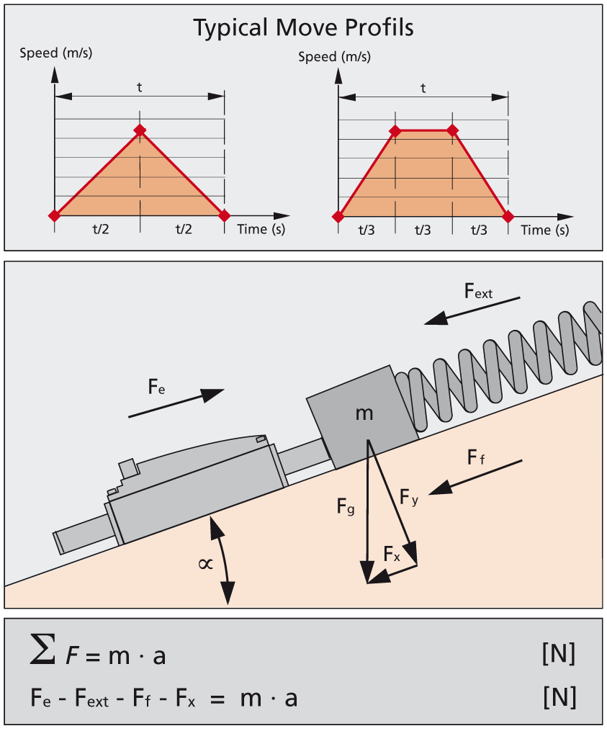

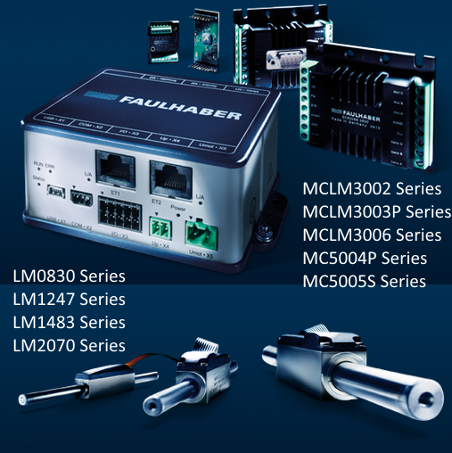

MINIMOTOR SA
6980 Croglio, Switzerland – 29.08.2007

FAULHABER MINIMOTOR SA
6980 Croglio, Switzerland, 09.2017

Calculation program
 | LM Calculation program, Version 4.5
 | Speed [m/s]
- | 0.00
0.060 | 0.29
0.120 | 0.29
0.180 | 0.00
0.330 | 0.00
0.390 | -0.29
0.450 | -0.29
0.510 | 0.00
0.660 | 0.00
v
Trapezoidal Profil
 | Linear DC-Servomotor | Insert values !
 | Parameter |  | Data | Units
 | Load mass | m | 350 | [g]
 | Incline angle | a | 0.00 | [°]
 | Friction coefficient (Bearing = 0.2mm) | m | 0.20 | [-]
 | Temperatura ambiente (Ta =22°C) | Ta | 23.00 | [°C]
Forward | Distance Forward | s_f | 35.00 | [mm]
 | Acceleration time | t1_f | 0.060 | [s]
 | Traverse time | t2_f | 0.060 | [s]
 | Deceleration time | t3_f | 0.060 | [s]
 | Stop time | t4_f | 0.150 | [s]
 | External acceleration force | Fea_f | 0.00 | [N]
 | External traverse force | Fet_f | 0.00 | [N]
 | External deceleration force | Fed_f | 0.00 | [N]
 | External stop force | Fes_f | 0.00 | [N]
Backward | Distance Backward | s_b | 35.00 | [mm]
 | Acceleration time | t1_b | 0.060 | [s]
 | Traverse time | t2_b | 0.060 | [s]
 | Deceleration time | t3_b | 0.060 | [s]
 | Stop time | t4_b | 0.150 | [s]
 | External acceleration force | Fea_b | 0.00 | [N]
 | External traverse force | Fet_b | 0.00 | [N]
 | External deceleration force | Fed_b | 0.00 | [N]
 | External stop force | Fes_b | 0.00 | [N]
 | Space [mm]
0.015 | 0.547
0.030 | 2.188
0.045 | 4.922
0.060 | 8.750
0.075 | 13.125
0.090 | 17.500
0.105 | 21.875
0.120 | 26.250
0.135 | 30.078
0.150 | 32.813
0.165 | 34.453
0.180 | 35.000
0.218 | 35.000
0.255 | 35.000
0.293 | 35.000
0.330 | 35.000
0.345 | 34.453
0.360 | 32.813
0.375 | 30.078
0.390 | 26.250
0.405 | 21.875
0.420 | 17.500
0.435 | 13.125
0.450 | 8.750
0.465 | 4.922
0.480 | 2.188
0.495 | 0.547
0.510 | -
0.548 | -
0.585 | -
0.623 | -
0.660 | -
 | Reduced thermal res. Rth2 (default 55%) | % Rth2 | 55.00 | [%]
 | Max voltage supply | Upp | 24.00 | [v]
 | Max current supply | Ipp | 3 | [A] |  | LM0830-015
 |  |  |  |  |  | LM0830-040
 | Data Sheet |  | Choose Motor! |  |  | LM1247-020
 | Motor | LM1247-040 |  |  |  | LM1247-040
 | Parameter |  | Data | Units |  | LM1247-060
 | Peak current up to | Ip max | 1.66 | [A] |  | LM1247-080
 | Back - EMF constant | KE | 5.25 | [V/m/s] |  | LM1247-100
 | Force constant | KF | 6.43 | [N/A] |  | LM1247-120
 | Terminal resistance, phase-phase | R | 13.17 | [Ohm] |  | LM1247-020
 | Stroke distance | s | 40.00 | [mm] |  | LM1483-020
 | Acceleration up to | ae max | 148.50 | [m/s2] |  | LM1483-040
 | Speed up to | Ve max | 2.40 | [m/s] |  | LM1483-060
 | Thermal resistance 1 | Rth1 | 3.20 | [K/W] |  | LM1483-080
 | Thermal resistance 2 | Rth2 | 20.00 | [K/W] |  | LM2070-040
 | Slider weight | mm | 24.00 | [g] |  | LM2070-080
 |  |  |  |  |  | LM2070-120
 | Output data | Do not change values ! |  |  |  | LM2070-160
 | Parameter |  | Results | Units |  | LM2070-220
 | Continuous force up to | Fe max | 3.55 | [N] |  | LM-Special
 | Peak force up to | Fp max | 10.67 | [N]
 | Continuous current up to | Ie max | 0.55 | [A]
 | Friction force with rod | Ff | 0.7720 | [N]
 | Friction force | Ff_m | 0.7480 | [N]
 | Parallel force | Fx | 0.0000 | [N]
 | Force [N] |  | Required continous force [N] |  | Fe max [N] |  | Fp max [N] |  | - Fp max [N]
0.00 | 0.000 | 0.00 | 1.23 | 0.00 | 3.5462277746 | 0.00 | 10.6738 | 0.00 | -10.6738
0.00 | 2.566 | 0.66 | 1.23 | 0.66 | 3.5462277746 | 0.66 | 10.6738 | 0.66 | -10.6738
0.06 | 2.566
0.06 | 0.748
0.12 | 0.748
0.12 | -1.070
0.18 | -1.070
0.18 | 0.000
0.33 | 0.000
0.33 | 2.566
0.39 | 2.566
0.39 | 0.748
0.45 | 0.748
0.45 | -1.070
0.51 | -1.070
0.51 | 0.000
0.66 | 0.000
 | Parallel force with rod | Fx_m | 0.0000 | [N]
Forward | Total move time | td_f | 0.180 | [s]
 | Total cycle time | tt_f | 0.330 | [s]
 | Duty cycle | dc_f | 54.55 | [%]
 | Max speed | V_f | 0.292 | [m/s] | ok
 | Acceleration | a_f | 4.861 | [m/s2] | ok
 | Deceleration | d_f | 4.861 | [m/s2] | ok
 | Acceleration section (forward) | Ft1_f | 2.5661 | [N] |  | 2.566
 | Traverse section | Ft2_f | 0.7480 | [N] |  | 0.748
 | Deceleration section | Ft3_f | -1.0701 | [N] |  | 1.070
 | Stop section | Ft4_f | 0.0000 | [N] |  | 0.000
Backward | Total move time | td_b | 0.180 | [s]
 | Total cycle time | tt_b | 0.330 | [s]
 | Duty cycle | dc_b | 54.55 | [%]
 | Max speed | V_b | 0.292 | [m/s] | ok
 | Acceleration | a_b | 4.861 | [m/s2] | ok
 | Deceleration | d_b | 4.861 | [m/s2] | ok
 | Acceleration section (backward) | Ft1_b | 2.57 | [N] |  | 2.566
 | Traverse section | Ft2_b | 0.75 | [N] |  | 0.748
 | Deceleration section | Ft3_b | -1.07 | [N] |  | 1.070
 | Stop section | Ft4_b | 0.00 | [N] |  | 0.000
 | Residual stroke fwd-bwd | s_r | 0.00 | [m]
 | Maximal force | Fp | 2.57 | [N]
 | Continuous force | Fe | 1.23 | [N] | ok
 | Continuous current | Ie | 0.19 | [A] | ok
 | Peak current | Ip | 0.40 | [A] | ok
 | Peak voltage | Um | 7.35 | [V] | ok
 | Temperature coil | Tc (I) | 32.12 | [°C] | ok | 32.12

Info label
 |  |  |  |  |  | Point on the parameters to see the

